Sheet1
 | Client Command Table for A7

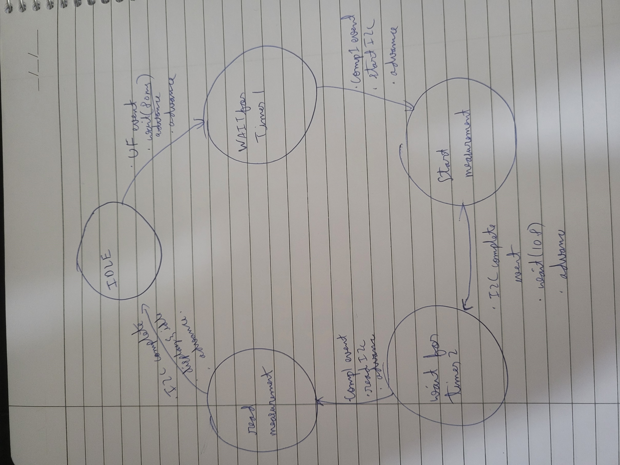
Add power requirement
Add power requirement
Add power requirement
Add power requirement
 | Use this table to help you design your program. Add rows as needed. | Use this column to describe when and what your LCD display changes to for rows like DISPLAY_ROW_CONNECTION | Use this column to denote if BT stack events cause your state machine to advance, you can put an X in the cell to note this. Drawing a bubble diagram of your state machine might also be a good idea 👍. | Commands that may be useful: sl_bt_gatt_discover_primary_services_by_uuid() sl_bt_gatt_discover_characteristics_by_uuid()
 | Event | LCD Display State | Advances State Machine | Commands called in response to event | Notes
Events Common to Slaves/Clients |  |  | save flags
 | sl_bt_evt_system_boot_id | Discovering |  | This event is generated on stack boot up | You can also document in column D values that need to be saved in response to receiving BT stack events.
 |  |  |  | sl_bt_scanner_set_mode()
 |  |  |  | sl_bt_scanner_set_timing()
 |  |  |  | sl_bt_connection_set_default_parameters()
 |  |  |  | sl_bt_sm_configure
 |  |  |  | sl_bt_sm_delete_bondings()
 |  |  |  | sl_bt_scanner_start() | You should start and stop scanning just like you did with advertising for a Server.

 | sl_bt_evt_connection_opened_id | Connected |  | sl_bt_advertiser_stop()
 |  |  | connectionHandle connection_open=1 | sl_bt_connection_set_parameters()

 | sl_bt_evt_connection_closed_id | Discovering | connection_open=0 | sl_bt_sm_delete_bondings()
 |  |  | indication_in_flight=0
remove power requirement
 | sl_bt_evt_system_soft_timer_id | - |  | displayUpdate()
 |  |  | indication_in_flight=1 | sl_bt_gatt_server_send_indication()
 |  |  |  | read_queue()

 | sl_bt_evt_sm_confirm_bonding_id | Connected |  | sl_bt_sm_bonding_confirm()

 | sl_bt_evt_sm_confirm_passkey_id | Passkey | save key and display
 |  | Confirm with PB0

 | sl_bt_evt_sm_bonded_id | Bonded | isBonded=1
Add power requirement
 | sl_bt_evt_system_external_signal_id | Button Pressed |  | sl_bt_sm_passkey_confirm()
 |  |  |  | write_queue()
 |  |  |  | sl_bt_gatt_server_send_indication()
Add power requirement
 |  | Button Released | save button state | sl_bt_gatt_server_send_indication() sl_bt_gatt_server_write_attribute_value()

 | sl_bt_evt_gatt_server_characteristic_status_id | multiple states | ok_to_send_button_indications=0/1 ok_to_send_htm_indications=0/1 indication_in_flight=1/0 | check if ok to send htm indications check if ok to send button state indications set respective LEDs on and off check for indications in flight sl_bt_gatt_server_write_attribute_value(
 |  |  |  | gpioLedxSetOn/Off()

 | sl_bt_evt_sm_bonding_failed_id |  |  | sl_bt_sm_bonding_confirm()

 | sl_bt_evt_connection_parameters_id |  | save parameters

 | sl_bt_evt_gatt_server_indication_timeout_id |  | indication_in_flight=0

remove power requirement

